General info
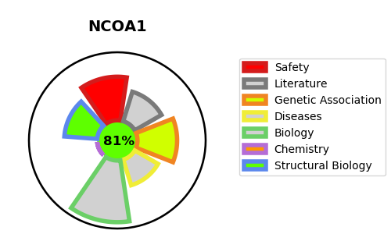
Gene_name | NCOA1 | Tractable | Tractability_probability
Synonyms | 2.3.1.48,BHLHE74,Class E basic helix-loop-helix protein 74,NCOA1,NCoA-1,Nuclear receptor coactivator 1,Protein Hin-2,RIP160,Renal carcinoma antigen NY-REN-52,SRC-1,SRC1,Steroid receptor coactivator 1,bHLHe74 | True | 81.4
Target_id | Q15788 | In Training data set ?
Protein_class | SRC family | No
Protein_class_desc | epigenetic regulator -> writer -> hat -> src
Species | Homo sapiens (Human).
Number_isoforms | 3

DISEASE |  | PATHWAYS
disease_id | disease_name | Reactome | KEGG
 |  | Activation of gene expression by SREBF (SREBP)
 |  | BMAL1:CLOCK,NPAS2 activates circadian gene expression
 |  | Bile acid and bile salt metabolism
 |  | Biological oxidations
 |  | Chromatin modifying enzymes
 |  | Chromatin organization
 |  | Circadian Clock
 |  | Cytochrome P450 - arranged by substrate type
 |  | Developmental Biology
 |  | ESR-mediated signaling
 |  | Endogenous sterols
 |  | Estrogen-dependent gene expression
 |  | HATs acetylate histones
 |  | Metabolism
 |  | Metabolism of lipids
 |  | Metabolism of proteins
 |  | Metabolism of steroids
 |  | Mitochondrial biogenesis
 |  | NR1H2 & NR1H3 regulate gene expression to control bile acid homeostasis
 |  | NR1H2 and NR1H3-mediated signaling
 |  | NR1H3 & NR1H2 regulate gene expression linked to cholesterol transport and efflux
 |  | Organelle biogenesis and maintenance
 |  | PPARA activates gene expression
 |  | Phase I - Functionalization of compounds
 |  | Post-translational protein modification
 |  | RORA activates gene expression
 |  | Recycling of bile acids and salts
 |  | Regulation of cholesterol biosynthesis by SREBP (SREBF)
 |  | Regulation of lipid metabolism by PPARalpha
 |  | SUMO E3 ligases SUMOylate target proteins
 |  | SUMOylation
 |  | SUMOylation of transcription cofactors
 |  | Signal Transduction
 |  | Signaling by Nuclear Receptors
 |  | Synthesis of bile acids and bile salts
 |  | Synthesis of bile acids and bile salts via 27-hydroxycholesterol
 |  | Synthesis of bile acids and bile salts via 7alpha-hydroxycholesterol
 |  | Transcriptional activation of mitochondrial biogenesis
 |  | Transcriptional regulation of white adipocyte differentiation

