General info
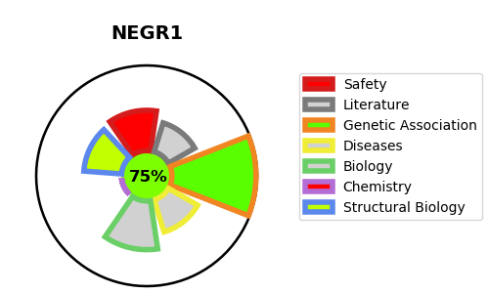
Gene_name | NEGR1 | Tractable | Tractability_probability
Synonyms | IGLON4 | True | 75.79
Target_id | Q7Z3B1 | In Training data set ?
Protein_class |  | No
Protein_class_desc
Species | Homo sapiens (Human).
Number_isoforms | 2

DISEASE |  | PATHWAYS
disease_id | disease_name | Reactome | KEGG
 |  | Metabolism of proteins
 |  | Post-translational modification: synthesis of GPI-anchored proteins
 |  | Post-translational protein modification

