General info
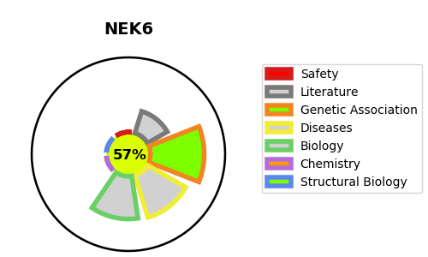
Gene_name | NEK6 | Tractable | Tractability_probability
Synonyms | 2.7.11.1,NEK6,Never in mitosis A-related kinase 6,NimA-related protein kinase 6,Protein kinase SID6-1512,Serine/threonine-protein kinase Nek6 | True | 57.31
Target_id | Q9HC98 | In Training data set ?
Protein_class | Other protein kinase NEK family | No
Protein_class_desc | enzyme -> kinase -> protein kinase -> other -> nek
Species | Homo sapiens (Human).
Number_isoforms | 4

DISEASE |  | PATHWAYS
disease_id | disease_name | Reactome | KEGG
 |  | Activation of NIMA Kinases NEK9, NEK6, NEK7
 |  | Cell Cycle
 |  | Cell Cycle, Mitotic
 |  | EML4 and NUDC in mitotic spindle formation
 |  | M Phase
 |  | Mitotic Prometaphase
 |  | Mitotic Prophase
 |  | Nuclear Envelope Breakdown
 |  | Nuclear Pore Complex (NPC) Disassembly

