General info
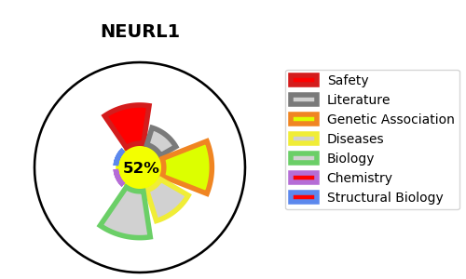
Gene_name | NEURL1 | Tractable | Tractability_probability
Synonyms | NEURL, NEURL1A, RNF67 | True | 52.38
Target_id | O76050 | In Training data set ?
Protein_class |  | No
Protein_class_desc
Species | Homo sapiens (Human).
Number_isoforms | 2

DISEASE |  | PATHWAYS
disease_id | disease_name | Reactome | KEGG
 |  | Activated NOTCH1 Transmits Signal to the Nucleus
 |  | Constitutive Signaling by NOTCH1 HD Domain Mutants
 |  | Constitutive Signaling by NOTCH1 HD+PEST Domain Mutants
 |  | Constitutive Signaling by NOTCH1 PEST Domain Mutants
 |  | Disease
 |  | Diseases of signal transduction by growth factor receptors and second messengers
 |  | NOTCH2 Activation and Transmission of Signal to the Nucleus
 |  | NOTCH3 Activation and Transmission of Signal to the Nucleus
 |  | Signal Transduction
 |  | Signaling by NOTCH
 |  | Signaling by NOTCH1
 |  | Signaling by NOTCH1 HD Domain Mutants in Cancer
 |  | Signaling by NOTCH1 HD+PEST Domain Mutants in Cancer
 |  | Signaling by NOTCH1 PEST Domain Mutants in Cancer
 |  | Signaling by NOTCH1 in Cancer
 |  | Signaling by NOTCH2
 |  | Signaling by NOTCH3

