General info
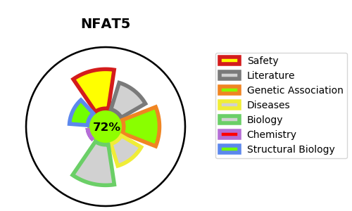
Gene_name | NFAT5 | Tractable | Tractability_probability
Synonyms | KIAA0827, TONEBP | True | 72.02
Target_id | O94916 | In Training data set ?
Protein_class |  | No
Protein_class_desc
Species | Homo sapiens (Human).
Number_isoforms | 5

DISEASE |  | PATHWAYS
disease_id | disease_name | Reactome | KEGG

