General info
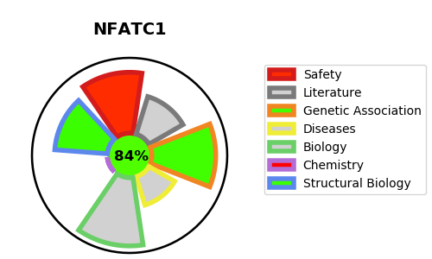
Gene_name | NFATC1 | Tractable | Tractability_probability
Synonyms | NF-ATc,NF-ATc1,NFAT transcription complex cytosolic component,NFAT2,NFATC,NFATC1,NFATc,NFATc1,Nuclear factor of activated T-cells, cytoplasmic 1 | True | 84.67
Target_id | O95644 | In Training data set ?
Protein_class | Other cytosolic protein | No
Protein_class_desc | cytosolic other
Species | Homo sapiens (Human).
Number_isoforms | 10

DISEASE |  | PATHWAYS
disease_id | disease_name | Reactome | KEGG
 |  | Adaptive Immune System
 |  | Beta-catenin independent WNT signaling
 |  | C-type lectin receptors (CLRs)
 |  | CLEC7A (Dectin-1) induces NFAT activation
 |  | CLEC7A (Dectin-1) signaling
 |  | Ca2+ pathway
 |  | Calcineurin activates NFAT
 |  | Downstream signaling events of B Cell Receptor (BCR)
 |  | FCERI mediated Ca+2 mobilization
 |  | Fc epsilon receptor (FCERI) signaling
 |  | Immune System
 |  | Innate Immune System
 |  | Signal Transduction
 |  | Signaling by WNT
 |  | Signaling by the B Cell Receptor (BCR)

