General info
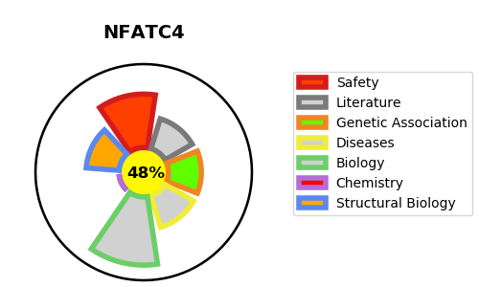
Gene_name | NFATC4 | Tractable | Tractability_probability
Synonyms | NFAT3 {ECO:0000303|PubMed:17213202, ECO:0000303|PubMed:17875713, ECO:0000303|PubMed:18668201, ECO:0000303|PubMed:7749981} | False | 48.97
Target_id | Q14934 | In Training data set ?
Protein_class |  | No
Protein_class_desc
Species | Homo sapiens (Human).
Number_isoforms | 24

DISEASE |  | PATHWAYS
disease_id | disease_name | Reactome | KEGG

