General info
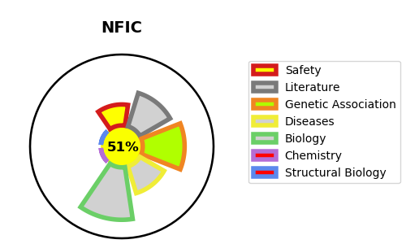
Gene_name | NFIC | Tractable | Tractability_probability
Synonyms | NFI | True | 51.12
Target_id | P08651 | In Training data set ?
Protein_class |  | No
Protein_class_desc
Species | Homo sapiens (Human).
Number_isoforms | 6

DISEASE |  | PATHWAYS
disease_id | disease_name | Reactome | KEGG
 |  | Gene expression (Transcription)
 |  | RNA Polymerase III Abortive And Retractive Initiation
 |  | RNA Polymerase III Transcription
 |  | RNA Polymerase III Transcription Termination

