General info
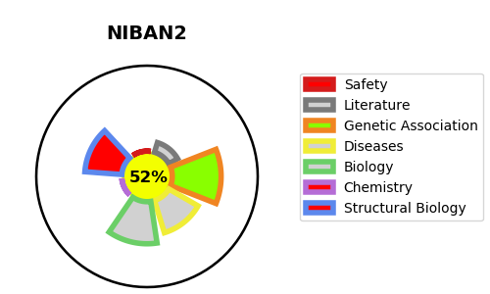
Gene_name | NIBAN2 | Tractable | Tractability_probability
Synonyms | C9orf88, FAM129B {ECO:0000303|PubMed:21148485} | True | 52.47
Target_id | Q96TA1 | In Training data set ?
Protein_class |  | No
Protein_class_desc
Species | Homo sapiens (Human).
Number_isoforms | 2

DISEASE |  | PATHWAYS
disease_id | disease_name | Reactome | KEGG

