General info
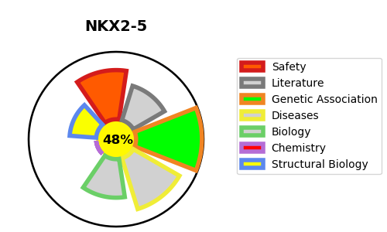
Gene_name | NKX2-5 | Tractable | Tractability_probability
Synonyms | CSX, NKX2.5, NKX2E | False | 48.94
Target_id | P52952 | In Training data set ?
Protein_class |  | No
Protein_class_desc
Species | Homo sapiens (Human).
Number_isoforms | 3

DISEASE |  | PATHWAYS
disease_id | disease_name | Reactome | KEGG
OMIM:108900 | ATRIAL SEPTAL DEFECT 7 WITH OR WITHOUT ATRIOVENTRICULAR CONDUCTION DEFECTS | Cardiac conduction
OMIM:187500 | TETRALOGY OF FALLOT | Gene expression (Transcription)
OMIM:217095 | CONOTRUNCAL HEART MALFORMATIONS | Generic Transcription Pathway
OMIM:225250 | HYPOTHYROIDISM, CONGENITAL, NONGOITROUS, 5 | Muscle contraction
OMIM:614432 | VENTRICULAR SEPTAL DEFECT 3 | Physiological factors
OMIM:614435 | HYPOPLASTIC LEFT HEART SYNDROME 2 | RNA Polymerase II Transcription
 |  | YAP1- and WWTR1 (TAZ)-stimulated gene expression

