General info
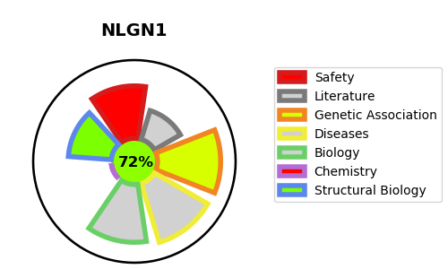
Gene_name | NLGN1 | Tractable | Tractability_probability
Synonyms | KIAA1070 | True | 72.36
Target_id | Q8N2Q7 | In Training data set ?
Protein_class |  | No
Protein_class_desc
Species | Homo sapiens (Human).
Number_isoforms | 2

DISEASE |  | PATHWAYS
disease_id | disease_name | Reactome | KEGG
OMIM:618830 | AUTISM, SUSCEPTIBILITY TO, 20 | Neurexins and neuroligins
 |  | Neuronal System
 |  | Protein-protein interactions at synapses

