General info
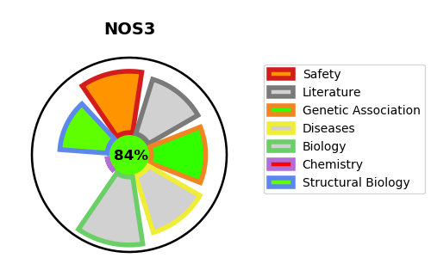
Gene_name | NOS3 | Tractable | Tractability_probability
Synonyms | 1.14.13.39,Constitutive NOS,EC-NOS,Endothelial NOS,NOS type III,NOS3,NOSIII,Nitric oxide synthase, endothelial,cNOS,eNOS | True | 84.42
Target_id | P29474 | In Training data set ?
Protein_class | Enzyme | No
Protein_class_desc | enzyme
Species | Homo sapiens (Human).
Number_isoforms | 3

DISEASE |  | PATHWAYS
disease_id | disease_name | Reactome | KEGG
OMIM:104300 | ALZHEIMER DISEASE | ESR-mediated signaling
OMIM:145500 | HYPERTENSION, ESSENTIAL | Extra-nuclear estrogen signaling
OMIM:189800 | PREECLAMPSIA/ECLAMPSIA 1 | Hemostasis
OMIM:601367 | STROKE, ISCHEMIC | Immune System
 |  | Innate Immune System
 |  | Metabolism
 |  | Metabolism of cofactors
 |  | Metabolism of nitric oxide: NOS3 activation and regulation
 |  | Metabolism of vitamins and cofactors
 |  | NOSIP mediated eNOS trafficking
 |  | NOSTRIN mediated eNOS trafficking
 |  | Nitric oxide stimulates guanylate cyclase
 |  | Platelet homeostasis
 |  | ROS and RNS production in phagocytes
 |  | Signal Transduction
 |  | Signaling by Nuclear Receptors
 |  | Signaling by Receptor Tyrosine Kinases
 |  | Signaling by VEGF
 |  | Tetrahydrobiopterin (BH4) synthesis, recycling, salvage and regulation
 |  | VEGFA-VEGFR2 Pathway
 |  | VEGFR2 mediated vascular permeability
 |  | eNOS activation

