General info
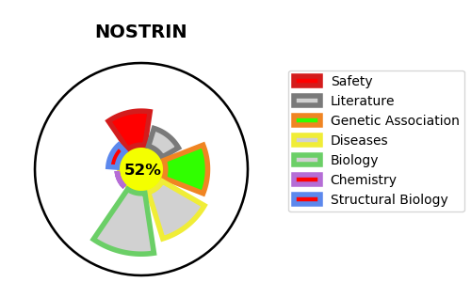
Gene_name | NOSTRIN | Tractable | Tractability_probability
Synonyms | Not found | True | 52.23
Target_id | Q8IVI9 | In Training data set ?
Protein_class |  | No
Protein_class_desc
Species | Homo sapiens (Human).
Number_isoforms | 4

DISEASE |  | PATHWAYS
disease_id | disease_name | Reactome | KEGG
 |  | Metabolism
 |  | Metabolism of nitric oxide: NOS3 activation and regulation
 |  | NOSTRIN mediated eNOS trafficking

