General info
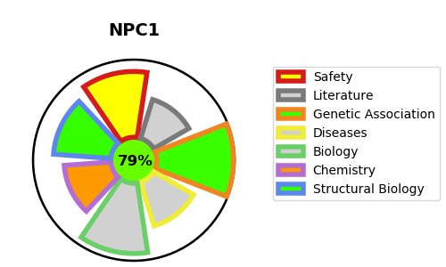
Gene_name | NPC1 | Tractable | Tractability_probability
Synonyms | NPC intracellular cholesterol transporter 1,NPC1,Niemann-Pick C1 protein | True | 79.96
Target_id | O15118 | In Training data set ?
Protein_class | Transporter | No
Protein_class_desc | transporter
Species | Homo sapiens (Human).
Number_isoforms | 2

DISEASE |  | PATHWAYS
disease_id | disease_name | Reactome | KEGG
OMIM:257220 | NIEMANN-PICK DISEASE, TYPE C1 | LDL clearance
 |  | Plasma lipoprotein assembly, remodeling, and clearance
 |  | Plasma lipoprotein clearance
 |  | Transport of small molecules

