General info
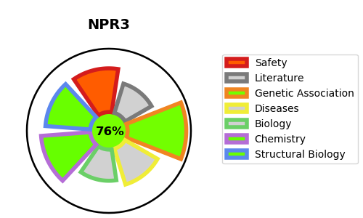
Gene_name | NPR3 | Tractable | Tractability_probability
Synonyms | ANP-C,ANPR-C,ANPRC,Atrial natriuretic peptide clearance receptor,Atrial natriuretic peptide receptor 3,Atrial natriuretic peptide receptor type C,C5orf23,NPR-C,NPR3,NPRC | True | 76.79
Target_id | P17342 | In Training data set ?
Protein_class | Membrane receptor | No
Protein_class_desc | membrane receptor
Species | Homo sapiens (Human).
Number_isoforms | 3

DISEASE |  | PATHWAYS
disease_id | disease_name | Reactome | KEGG

