General info
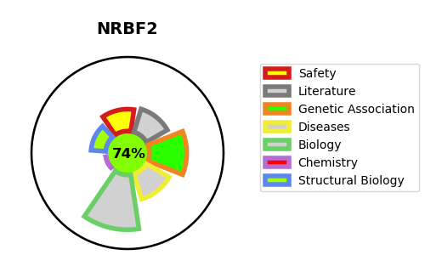
Gene_name | NRBF2 | Tractable | Tractability_probability
Synonyms | COPR,Comodulator of PPAR and RXR,NRBF-2,NRBF2,Nuclear receptor-binding factor 2 | True | 74.63
Target_id | Q96F24 | In Training data set ?
Protein_class | Unclassified protein | No
Protein_class_desc | unclassified
Species | Homo sapiens (Human).
Number_isoforms | 3

DISEASE |  | PATHWAYS
disease_id | disease_name | Reactome | KEGG
 |  | Gene expression (Transcription)
 |  | Generic Transcription Pathway
 |  | Nuclear Receptor transcription pathway
 |  | RNA Polymerase II Transcription

