General info
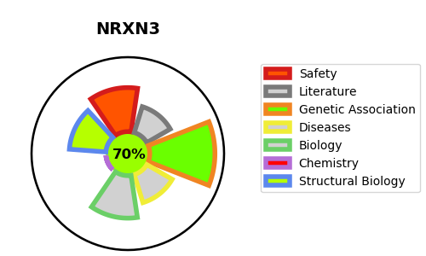
Gene_name | NRXN3 | Tractable | Tractability_probability
Synonyms | KIAA0743 | True | 70.05
Target_id | Q9HDB5 | In Training data set ?
Protein_class |  | No
Protein_class_desc
Species | Homo sapiens (Human).
Number_isoforms | 7

DISEASE |  | PATHWAYS
disease_id | disease_name | Reactome | KEGG
 |  | Neurexins and neuroligins
 |  | Neuronal System
 |  | Protein-protein interactions at synapses

