General info
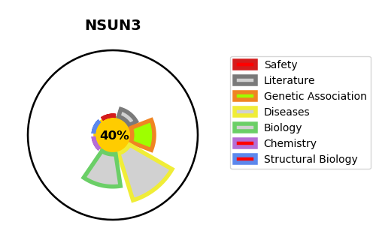
Gene_name | NSUN3 | Tractable | Tractability_probability
Synonyms | MSTP077 {ECO:0000303|Ref.2}, UG0651E06 {ECO:0000303|Ref.4} | False | 40.07
Target_id | Q9H649 | In Training data set ?
Protein_class |  | No
Protein_class_desc
Species | Homo sapiens (Human).
Number_isoforms | 0

DISEASE |  | PATHWAYS
disease_id | disease_name | Reactome | KEGG
OMIM:619012 | COMBINED OXIDATIVE PHOSPHORYLATION DEFICIENCY 48

