General info
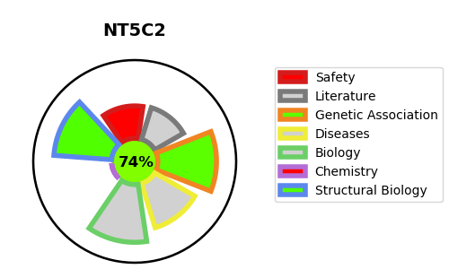
Gene_name | NT5C2 | Tractable | Tractability_probability
Synonyms | 3.1.3.5,Cytosolic 5'-nucleotidase II,Cytosolic purine 5'-nucleotidase,NT5B,NT5C2,NT5CP,PNT5 | True | 74.74
Target_id | P49902 | In Training data set ?
Protein_class | Phosphatase | No
Protein_class_desc | enzyme -> phosphatase
Species | Homo sapiens (Human).
Number_isoforms | 2

DISEASE |  | PATHWAYS
disease_id | disease_name | Reactome | KEGG
OMIM:613162 | SPASTIC PARAPLEGIA 45, AUTOSOMAL RECESSIVE | Abacavir metabolism
 |  | Abacavir transport and metabolism
 |  | Metabolism
 |  | Metabolism of nucleotides
 |  | Nucleobase catabolism
 |  | Purine catabolism

