General info
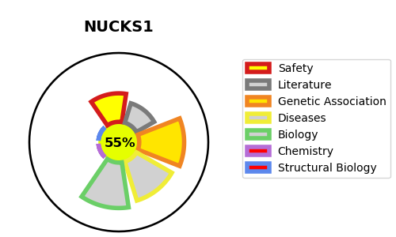
Gene_name | NUCKS1 | Tractable | Tractability_probability
Synonyms | NUCKS {ECO:0000303|PubMed:11298763} | True | 55.11
Target_id | Q9H1E3 | In Training data set ?
Protein_class |  | No
Protein_class_desc
Species | Homo sapiens (Human).
Number_isoforms | 2

DISEASE |  | PATHWAYS
disease_id | disease_name | Reactome | KEGG

