General info
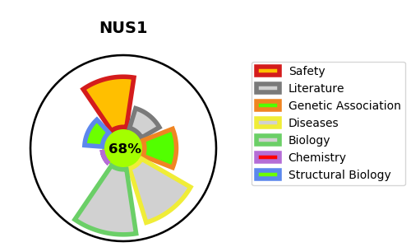
Gene_name | NUS1 | Tractable | Tractability_probability
Synonyms | C6orf68, NGBR | True | 68.12
Target_id | Q96E22 | In Training data set ?
Protein_class |  | No
Protein_class_desc
Species | Homo sapiens (Human).
Number_isoforms | 0

DISEASE |  | PATHWAYS
disease_id | disease_name | Reactome | KEGG
OMIM:617082 | CONGENITAL DISORDER OF GLYCOSYLATION, TYPE Iaa | Asparagine N-linked glycosylation
OMIM:617831 | MENTAL RETARDATION, AUTOSOMAL DOMINANT 55, WITH SEIZURES | Biosynthesis of the N-glycan precursor (dolichol lipid-linked oligosaccharide, LLO) and transfer to a nascent protein
 |  | Defective DHDDS causes retinitis pigmentosa 59
 |  | Disease
 |  | Diseases associated with glycosylation precursor biosynthesis
 |  | Diseases of glycosylation
 |  | Diseases of metabolism
 |  | Metabolism of proteins
 |  | Post-translational protein modification
 |  | Synthesis of Dolichyl-phosphate
 |  | Synthesis of substrates in N-glycan biosythesis

