General info
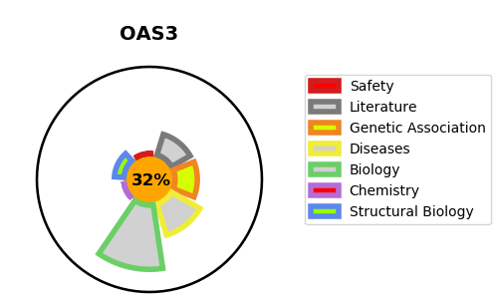
Gene_name | OAS3 | Tractable | Tractability_probability
Synonyms | P/OKcl.4 | False | 32.44
Target_id | Q9Y6K5 | In Training data set ?
Protein_class |  | No
Protein_class_desc
Species | Homo sapiens (Human).
Number_isoforms | 0

DISEASE |  | PATHWAYS
disease_id | disease_name | Reactome | KEGG
 |  | Antiviral mechanism by IFN-stimulated genes
 |  | Cytokine Signaling in Immune system
 |  | Immune System
 |  | Interferon Signaling
 |  | Interferon alpha/beta signaling
 |  | Interferon gamma signaling
 |  | OAS antiviral response

