General info
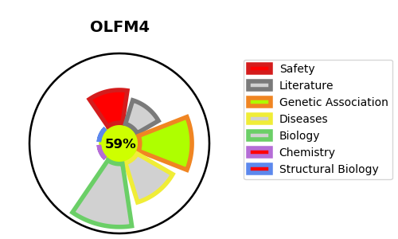
Gene_name | OLFM4 | Tractable | Tractability_probability
Synonyms | GW112 | True | 59.75
Target_id | Q6UX06 | In Training data set ?
Protein_class |  | No
Protein_class_desc
Species | Homo sapiens (Human).
Number_isoforms | 0

DISEASE |  | PATHWAYS
disease_id | disease_name | Reactome | KEGG
 |  | Immune System
 |  | Innate Immune System
 |  | Neutrophil degranulation

