General info
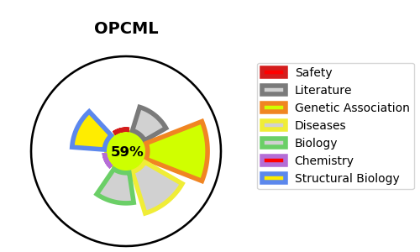
Gene_name | OPCML | Tractable | Tractability_probability
Synonyms | IGLON1, OBCAM | True | 59.92
Target_id | Q14982 | In Training data set ?
Protein_class |  | No
Protein_class_desc
Species | Homo sapiens (Human).
Number_isoforms | 4

DISEASE |  | PATHWAYS
disease_id | disease_name | Reactome | KEGG
OMIM:167000 | OVARIAN CANCER | Metabolism of proteins
 |  | Post-translational modification: synthesis of GPI-anchored proteins
 |  | Post-translational protein modification

