General info
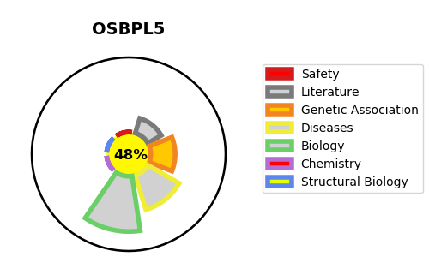
Gene_name | OSBPL5 | Tractable | Tractability_probability
Synonyms | KIAA1534, OBPH1 {ECO:0000303|PubMed:12504849}, ORP5 | False | 48.74
Target_id | Q9H0X9 | In Training data set ?
Protein_class |  | No
Protein_class_desc
Species | Homo sapiens (Human).
Number_isoforms | 3

DISEASE |  | PATHWAYS
disease_id | disease_name | Reactome | KEGG
 |  | Acyl chain remodelling of PS
 |  | Glycerophospholipid biosynthesis
 |  | Metabolism
 |  | Metabolism of lipids
 |  | Phospholipid metabolism

