General info
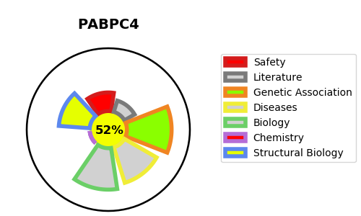
Gene_name | PABPC4 | Tractable | Tractability_probability
Synonyms | APP-1,APP1,Activated-platelet protein 1,Inducible poly(A)-binding protein,PABP-4,PABP4,PABPC4,Poly(A)-binding protein 4,Polyadenylate-binding protein 4,iPABP | True | 52.49
Target_id | Q13310 | In Training data set ?
Protein_class | Unclassified protein | No
Protein_class_desc | unclassified
Species | Homo sapiens (Human).
Number_isoforms | 3

DISEASE |  | PATHWAYS
disease_id | disease_name | Reactome | KEGG

