General info
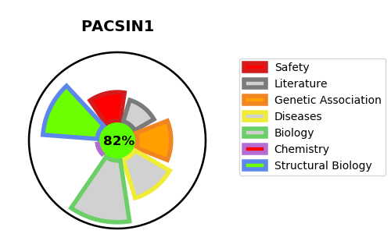
Gene_name | PACSIN1 | Tractable | Tractability_probability
Synonyms | KIAA1379 | True | 82.31
Target_id | Q9BY11 | In Training data set ?
Protein_class |  | No
Protein_class_desc
Species | Homo sapiens (Human).
Number_isoforms | 0

DISEASE |  | PATHWAYS
disease_id | disease_name | Reactome | KEGG
 |  | Clathrin-mediated endocytosis
 |  | Membrane Trafficking
 |  | Vesicle-mediated transport

