General info
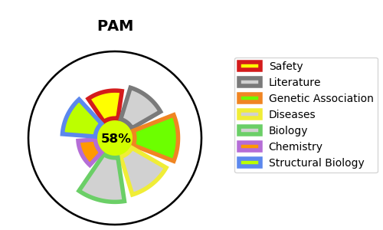
Gene_name | PAM | Tractable | Tractability_probability
Synonyms | 1.14.17.3,4.3.2.5,PAL,PAM,PHM,Peptidyl-alpha-hydroxyglycine alpha-amidating lyase,Peptidyl-glycine alpha-amidating monooxygenase,Peptidylamidoglycolate lyase,Peptidylglycine alpha-hydroxylating monooxygenase | True | 58.89
Target_id | P19021 | In Training data set ?
Protein_class | Enzyme | No
Protein_class_desc | enzyme
Species | Homo sapiens (Human).
Number_isoforms | 6

DISEASE |  | PATHWAYS
disease_id | disease_name | Reactome | KEGG

