General info
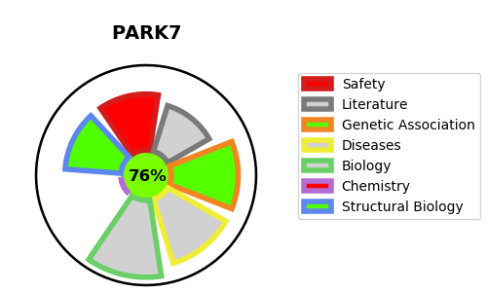
Gene_name | PARK7 | Tractable | Tractability_probability
Synonyms | Not found | True | 76.35
Target_id | Q99497 | In Training data set ?
Protein_class |  | No
Protein_class_desc
Species | Homo sapiens (Human).
Number_isoforms | 0

DISEASE |  | PATHWAYS
disease_id | disease_name | Reactome | KEGG
OMIM:606324 | PARKINSON DISEASE 7, AUTOSOMAL RECESSIVE EARLY-ONSET | Aggrephagy
 |  | Autophagy
 |  | Chaperone Mediated Autophagy
 |  | Late endosomal microautophagy
 |  | Macroautophagy
 |  | Metabolism of proteins
 |  | Post-translational protein modification
 |  | SUMO E3 ligases SUMOylate target proteins
 |  | SUMOylation
 |  | SUMOylation of transcription cofactors
 |  | Selective autophagy

