General info
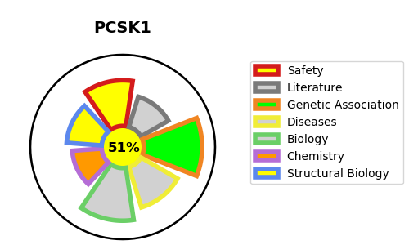
Gene_name | PCSK1 | Tractable | Tractability_probability
Synonyms | 3.4.21.93,NEC 1,NEC1,Neuroendocrine convertase 1,PC1,PCSK1,Prohormone convertase 1,Proprotein convertase 1 | True | 51.02
Target_id | P29120 | In Training data set ?
Protein_class | Serine protease S8B subfamily | No
Protein_class_desc | enzyme -> protease -> serine -> sb -> s8b
Species | Homo sapiens (Human).
Number_isoforms | 2

DISEASE |  | PATHWAYS
disease_id | disease_name | Reactome | KEGG
OMIM:600955 | PROPROTEIN CONVERTASE 1/3 DEFICIENCY | Incretin synthesis, secretion, and inactivation
OMIM:612362 | BODY MASS INDEX QUANTITATIVE TRAIT LOCUS 12 | Insulin processing
 |  | Metabolism of proteins
 |  | Peptide hormone biosynthesis
 |  | Peptide hormone metabolism
 |  | Synthesis, secretion, and deacylation of Ghrelin
 |  | Synthesis, secretion, and inactivation of Glucagon-like Peptide-1 (GLP-1)
 |  | Synthesis, secretion, and inactivation of Glucose-dependent Insulinotropic Polypeptide (GIP)

