General info
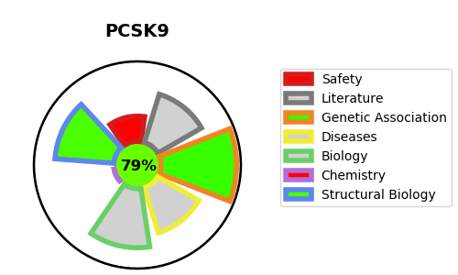
Gene_name | PCSK9 | Tractable | Tractability_probability
Synonyms | 3.4.21.-,NARC-1,NARC1 ,Neural apoptosis-regulated convertase 1,PC9,PCSK9,Proprotein convertase 9,Proprotein convertase subtilisin/kexin type 9,Subtilisin/kexin-like protease PC9 | True | 79.68
Target_id | Q8NBP7 | In Training data set ?
Protein_class | Serine protease S8A subfamily | No
Protein_class_desc | enzyme -> protease -> serine -> sb -> s8a
Species | Homo sapiens (Human).
Number_isoforms | 2

DISEASE |  | PATHWAYS
disease_id | disease_name | Reactome | KEGG
OMIM:603776 | HYPERCHOLESTEROLEMIA, FAMILIAL, 3 | LDL clearance
 |  | Metabolism of proteins
 |  | Plasma lipoprotein assembly, remodeling, and clearance
 |  | Plasma lipoprotein clearance
 |  | Post-translational protein modification
 |  | Post-translational protein phosphorylation
 |  | Regulation of Insulin-like Growth Factor (IGF) transport and uptake by Insulin-like Growth Factor Binding Proteins (IGFBPs)
 |  | Transport of small molecules
 |  | VLDLR internalisation and degradation

