General info
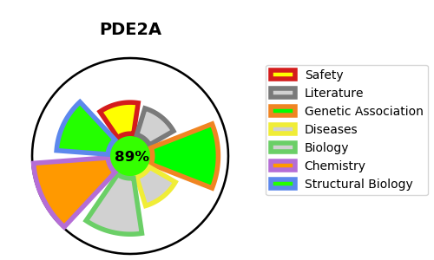
Gene_name | PDE2A | Tractable | Tractability_probability
Synonyms | 3.1.4.17,CGS-PDE,Cyclic GMP-stimulated phosphodiesterase,PDE2A,cGMP-dependent 3',5'-cyclic phosphodiesterase,cGSPDE | True | 89.92
Target_id | O00408 | In Training data set ?
Protein_class | Phosphodiesterase 2A | No
Protein_class_desc | enzyme -> phosphodiesterase -> pde_2 -> pde_2a
Species | Homo sapiens (Human).
Number_isoforms | 6

DISEASE |  | PATHWAYS
disease_id | disease_name | Reactome | KEGG
 |  | G alpha (s) signalling events
 |  | GPCR downstream signalling
 |  | Hemostasis
 |  | Nitric oxide stimulates guanylate cyclase
 |  | Platelet homeostasis
 |  | Signal Transduction
 |  | Signaling by GPCR
 |  | cGMP effects

