General info
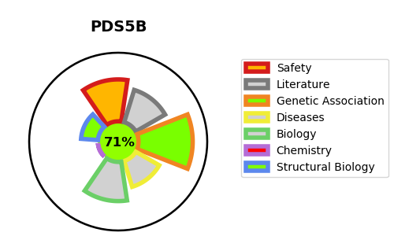
Gene_name | PDS5B | Tractable | Tractability_probability
Synonyms | APRIN, AS3 {ECO:0000312|EMBL:AAD22134.2}, KIAA0979 {ECO:0000312|EMBL:BAA76823.2} | True | 71.6
Target_id | Q9NTI5 | In Training data set ?
Protein_class |  | No
Protein_class_desc
Species | Homo sapiens (Human).
Number_isoforms | 5

DISEASE |  | PATHWAYS
disease_id | disease_name | Reactome | KEGG
 |  | Cell Cycle
 |  | Cell Cycle, Mitotic
 |  | Cohesin Loading onto Chromatin
 |  | Establishment of Sister Chromatid Cohesion
 |  | M Phase
 |  | Mitotic Anaphase
 |  | Mitotic Metaphase and Anaphase
 |  | Mitotic Prometaphase
 |  | Mitotic Telophase/Cytokinesis
 |  | Resolution of Sister Chromatid Cohesion
 |  | S Phase
 |  | Separation of Sister Chromatids

