General info
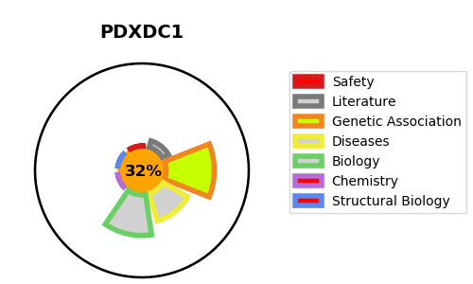
Gene_name | PDXDC1 | Tractable | Tractability_probability
Synonyms | KIAA0251 | False | 32.06
Target_id | Q6P996 | In Training data set ?
Protein_class |  | No
Protein_class_desc
Species | Homo sapiens (Human).
Number_isoforms | 5

DISEASE |  | PATHWAYS
disease_id | disease_name | Reactome | KEGG

