General info
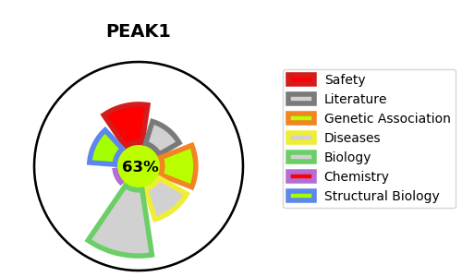
Gene_name | PEAK1 | Tractable | Tractability_probability
Synonyms | Inactive tyrosine-protein kinase PEAK1,KIAA2002,PEAK1,Pseudopodium-enriched atypical kinase 1,Sugen kinase 269,Tyrosine-protein kinase SgK269 | True | 63.25
Target_id | Q9H792 | In Training data set ?
Protein_class | Transferase | No
Protein_class_desc | enzyme -> transferase
Species | Homo sapiens (Human).
Number_isoforms | 0

DISEASE |  | PATHWAYS
disease_id | disease_name | Reactome | KEGG

