General info
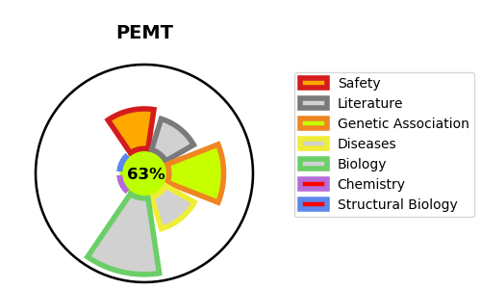
Gene_name | PEMT | Tractable | Tractability_probability
Synonyms | PEMPT, PNMT | True | 63.21
Target_id | Q9UBM1 | In Training data set ?
Protein_class |  | No
Protein_class_desc
Species | Homo sapiens (Human).
Number_isoforms | 3

DISEASE |  | PATHWAYS
disease_id | disease_name | Reactome | KEGG
 |  | Glycerophospholipid biosynthesis
 |  | Metabolism
 |  | Metabolism of lipids
 |  | Phospholipid metabolism
 |  | Synthesis of PC

