General info
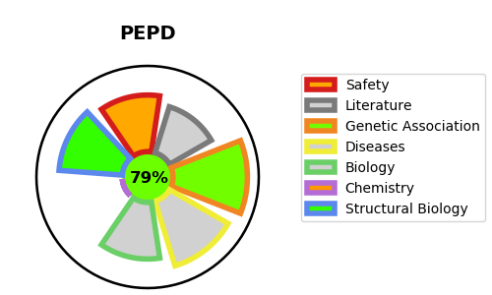
Gene_name | PEPD | Tractable | Tractability_probability
Synonyms | 3.4.13.9,Imidodipeptidase,PEPD,PRD,Peptidase D,Prolidase,Proline dipeptidase,X-Pro dipeptidase,Xaa-Pro dipeptidase | True | 79.1
Target_id | P12955 | In Training data set ?
Protein_class | Metallo protease M24B subfamily | No
Protein_class_desc | enzyme -> protease -> metallo -> mg -> m24b
Species | Homo sapiens (Human).
Number_isoforms | 3

DISEASE |  | PATHWAYS
disease_id | disease_name | Reactome | KEGG
OMIM:170100 | PROLIDASE DEFICIENCY

