General info
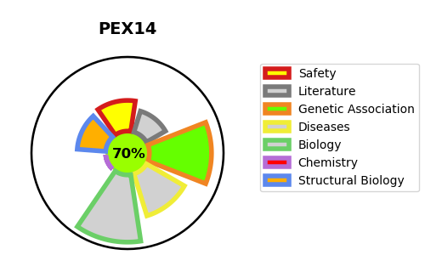
Gene_name | PEX14 | Tractable | Tractability_probability
Synonyms | Not found | True | 70.12
Target_id | O75381 | In Training data set ?
Protein_class |  | No
Protein_class_desc
Species | Homo sapiens (Human).
Number_isoforms | 2

DISEASE |  | PATHWAYS
disease_id | disease_name | Reactome | KEGG
OMIM:614887 | PEROXISOME BIOGENESIS DISORDER 13A (ZELLWEGER) | Class I peroxisomal membrane protein import
 |  | E3 ubiquitin ligases ubiquitinate target proteins
 |  | Metabolism of proteins
 |  | Peroxisomal protein import
 |  | Post-translational protein modification
 |  | Protein localization
 |  | Protein ubiquitination

