General info
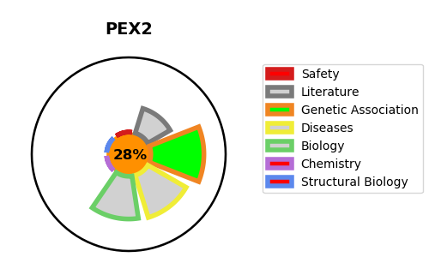
Gene_name | PEX2 | Tractable | Tractability_probability
Synonyms | PAF1, PMP3, PMP35, PXMP3, RNF72 | False | 28.33
Target_id | P28328 | In Training data set ?
Protein_class |  | No
Protein_class_desc
Species | Homo sapiens (Human).
Number_isoforms | 0

DISEASE |  | PATHWAYS
disease_id | disease_name | Reactome | KEGG
OMIM:614866 | PEROXISOME BIOGENESIS DISORDER 5A (ZELLWEGER) | Class I peroxisomal membrane protein import
OMIM:614867 | PEROXISOME BIOGENESIS DISORDER 5B | E3 ubiquitin ligases ubiquitinate target proteins
 |  | Metabolism of proteins
 |  | Peroxisomal protein import
 |  | Post-translational protein modification
 |  | Protein localization
 |  | Protein ubiquitination

