General info
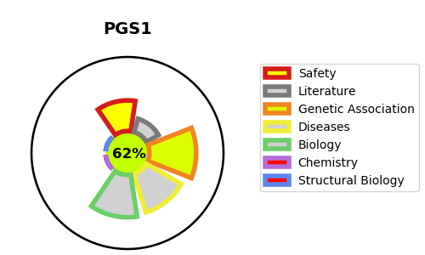
Gene_name | PGS1 | Tractable | Tractability_probability
Synonyms | Not found | True | 62.1
Target_id | Q32NB8 | In Training data set ?
Protein_class |  | No
Protein_class_desc
Species | Homo sapiens (Human).
Number_isoforms | 4

DISEASE |  | PATHWAYS
disease_id | disease_name | Reactome | KEGG
 |  | Glycerophospholipid biosynthesis
 |  | Metabolism
 |  | Metabolism of lipids
 |  | Phospholipid metabolism
 |  | Synthesis of PG

