General info
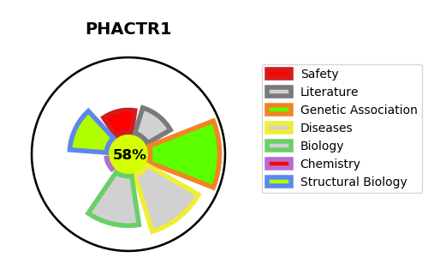
Gene_name | PHACTR1 | Tractable | Tractability_probability
Synonyms | KIAA1733, RPEL1 | True | 58.77
Target_id | Q9C0D0 | In Training data set ?
Protein_class |  | No
Protein_class_desc
Species | Homo sapiens (Human).
Number_isoforms | 2

DISEASE |  | PATHWAYS
disease_id | disease_name | Reactome | KEGG
OMIM:618298 | DEVELOPMENTAL AND EPILEPTIC ENCEPHALOPATHY 70

