General info
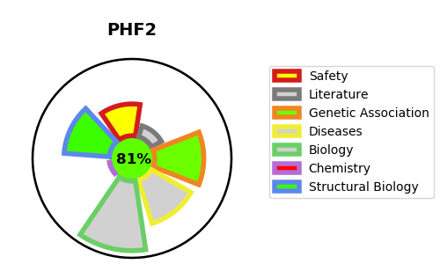
Gene_name | PHF2 | Tractable | Tractability_probability
Synonyms | 1.14.11.-,GRC5,KIAA0662,Lysine-specific demethylase PHF2,PHD finger protein 2,PHF2 | True | 81.4
Target_id | O75151 | In Training data set ?
Protein_class | Oxidoreductase | No
Protein_class_desc | enzyme -> reductase
Species | Homo sapiens (Human).
Number_isoforms | 0

DISEASE |  | PATHWAYS
disease_id | disease_name | Reactome | KEGG
 |  | Chromatin modifying enzymes
 |  | Chromatin organization
 |  | HDMs demethylate histones

