General info
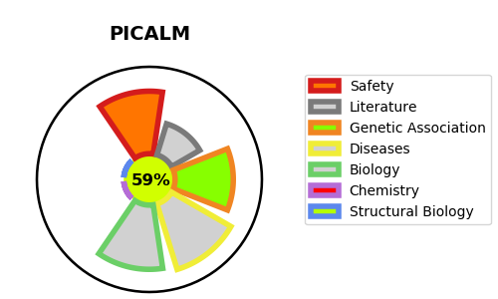
Gene_name | PICALM | Tractable | Tractability_probability
Synonyms | CALM | True | 59.1
Target_id | Q13492 | In Training data set ?
Protein_class |  | No
Protein_class_desc
Species | Homo sapiens (Human).
Number_isoforms | 5

DISEASE |  | PATHWAYS
disease_id | disease_name | Reactome | KEGG
OMIM:601626 | LEUKEMIA, ACUTE MYELOID | Cargo recognition for clathrin-mediated endocytosis
 |  | Clathrin-mediated endocytosis
 |  | Golgi Associated Vesicle Biogenesis
 |  | Membrane Trafficking
 |  | Vesicle-mediated transport
 |  | trans-Golgi Network Vesicle Budding

