General info
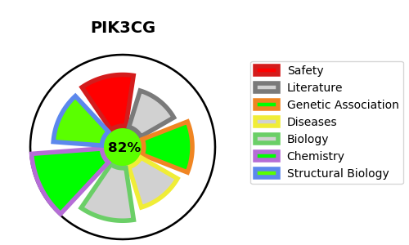
Gene_name | PIK3CG | Tractable | Tractability_probability
Synonyms | 2.7.1.153,2.7.11.1,PI3-kinase subunit gamma,PI3K-gamma,PI3Kgamma,PIK3CG,Phosphatidylinositol 4,5-bisphosphate 3-kinase 110 kDa catalytic subunit gamma,Phosphatidylinositol 4,5-bisphosphate 3-kinase catalytic subunit gamma isoform,Phosphoinositide-3-kinase catalytic gamma polypeptide,PtdIns-3-kinase subunit gamma,PtdIns-3-kinase subunit p110-gamma,Serine/threonine protein kinase PIK3CG,p110gamma,p120-PI3K | True | 82.25
Target_id | P48736 | In Training data set ?
Protein_class | Transferase | Yes
Protein_class_desc | enzyme -> transferase
Species | Homo sapiens (Human).
Number_isoforms | 0

DISEASE |  | PATHWAYS
disease_id | disease_name | Reactome | KEGG
 |  | Erythropoietin activates Phosphoinositide-3-kinase (PI3K)
 |  | G beta:gamma signalling through PI3Kgamma
 |  | G-protein beta:gamma signalling
 |  | GPCR downstream signalling
 |  | GPVI-mediated activation cascade
 |  | Hemostasis
 |  | Metabolism
 |  | Metabolism of lipids
 |  | PI Metabolism
 |  | Phospholipid metabolism
 |  | Platelet activation, signaling and aggregation
 |  | Signal Transduction
 |  | Signaling by Erythropoietin
 |  | Signaling by GPCR
 |  | Synthesis of PIPs at the plasma membrane

