General info
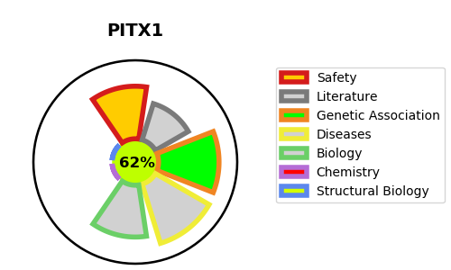
Gene_name | PITX1 | Tractable | Tractability_probability
Synonyms | BFT, PTX1 | True | 62.92
Target_id | P78337 | In Training data set ?
Protein_class |  | No
Protein_class_desc
Species | Homo sapiens (Human).
Number_isoforms | 0

DISEASE |  | PATHWAYS
disease_id | disease_name | Reactome | KEGG
OMIM:119800 | CLUBFOOT, CONGENITAL, WITH OR WITHOUT DEFICIENCY OF LONG BONES AND/OR MIRROR-IMAGE POLYDACTYLY
OMIM:186550 | LIEBENBERG SYNDROME

