General info
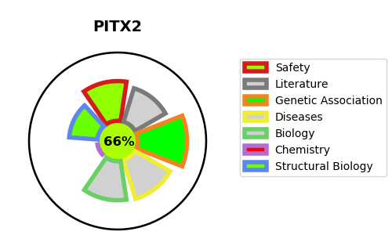
Gene_name | PITX2 | Tractable | Tractability_probability
Synonyms | ARP1, RGS, RIEG, RIEG1 | True | 66.56
Target_id | Q99697 | In Training data set ?
Protein_class |  | No
Protein_class_desc
Species | Homo sapiens (Human).
Number_isoforms | 3

DISEASE |  | PATHWAYS
disease_id | disease_name | Reactome | KEGG
OMIM:137600 | ANTERIOR SEGMENT DYSGENESIS 4 | Gene expression (Transcription)
OMIM:180500 | AXENFELD-RIEGER SYNDROME, TYPE 1 | Generic Transcription Pathway
OMIM:180550 | RING DERMOID OF CORNEA | RNA Polymerase II Transcription
 |  | TFAP2 (AP-2) family regulates transcription of other transcription factors
 |  | Transcriptional regulation by the AP-2 (TFAP2) family of transcription factors

