General info
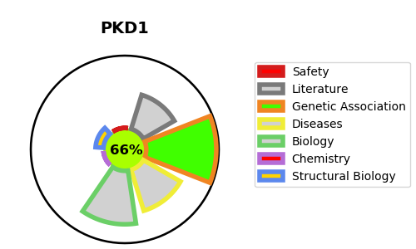
Gene_name | PKD1 | Tractable | Tractability_probability
Synonyms | Autosomal dominant polycystic kidney disease 1 protein,PC1,PKD1,Polycystin-1 | True | 66.91
Target_id | P98161 | In Training data set ?
Protein_class | Transient receptor potential channel | No
Protein_class_desc | ion channel -> vgc -> trp
Species | Homo sapiens (Human).
Number_isoforms | 3

DISEASE |  | PATHWAYS
disease_id | disease_name | Reactome | KEGG
OMIM:173900 | POLYCYSTIC KIDNEY DISEASE 1 WITH OR WITHOUT POLYCYSTIC LIVER DISEASE | Cargo trafficking to the periciliary membrane
 |  | Cilium Assembly
 |  | Organelle biogenesis and maintenance
 |  | VxPx cargo-targeting to cilium

