General info
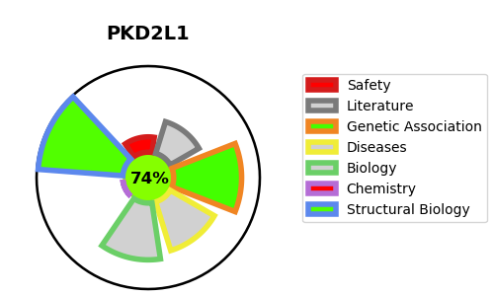
Gene_name | PKD2L1 | Tractable | Tractability_probability
Synonyms | PKD2L, PKDL {ECO:0000303|PubMed:9748274}, TRPP3 {ECO:0000303|PubMed:23212381, ECO:0000303|PubMed:27754867} | True | 74.02
Target_id | Q9P0L9 | In Training data set ?
Protein_class |  | No
Protein_class_desc
Species | Homo sapiens (Human).
Number_isoforms | 5

DISEASE |  | PATHWAYS
disease_id | disease_name | Reactome | KEGG

