General info
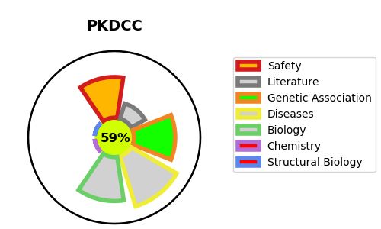
Gene_name | PKDCC | Tractable | Tractability_probability
Synonyms | SGK493, VLK {ECO:0000250|UniProtKB:Q5RJI4} | True | 59.44
Target_id | Q504Y2 | In Training data set ?
Protein_class |  | No
Protein_class_desc
Species | Homo sapiens (Human).
Number_isoforms | 0

DISEASE |  | PATHWAYS
disease_id | disease_name | Reactome | KEGG
OMIM:618821 | RHIZOMELIC LIMB SHORTENING WITH DYSMORPHIC FEATURES

