General info
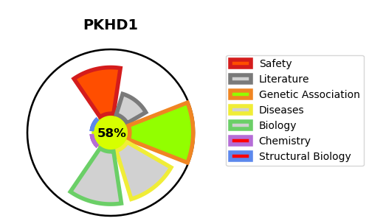
Gene_name | PKHD1 | Tractable | Tractability_probability
Synonyms | FCYT, TIGM1 | True | 58.19
Target_id | P08F94 | In Training data set ?
Protein_class |  | No
Protein_class_desc
Species | Homo sapiens (Human).
Number_isoforms | 2

DISEASE |  | PATHWAYS
disease_id | disease_name | Reactome | KEGG
OMIM:263200 | POLYCYSTIC KIDNEY DISEASE 4 WITH OR WITHOUT POLYCYSTIC LIVER DISEASE

